READ ME
FIGARO tables | EUROPEAN COMMISSION
Release: December 2023 | EUROSTAT
 | Directorate C
 | Unit C.5: Integrated Global Accounts and Balance of Payments
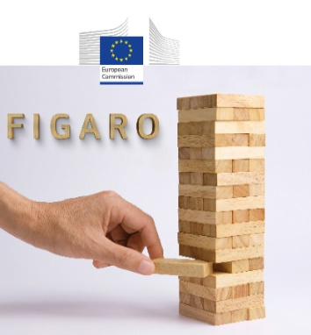
 | Contact: ESTAT-FIGARO@ec.europa.eu

 | FIGARO - EU Inter-Country Supply, Use and Input-Output Tables (EU IC-SUIOTs)
 | This document provides an overview of FIGARO tables, describing their structure and associated statistical codes. It also provides information regarding the mapping between the tables' codes on the webpage and the ones in Eurobase.

 | FIGARO tables
 | Inter-country supply table | Supply table
 | Inter-country use table | Use table
 | Inter-country input-output table, product by product | Input-output table (products)
 | Inter-country input-output table, industry by industry | Input-output table (industries)
 | Direct purchases abroad table, by product | DPA table (products)
 | Geographical areas / countries | Geographical areas
 | Products, industries and accounting items | Prod, Ind & Accounting items

 | Webpage-Eurobase code mapping | Webpage-Eurobase code mapping

